ASI2600
 | Newtonian back focus calculation

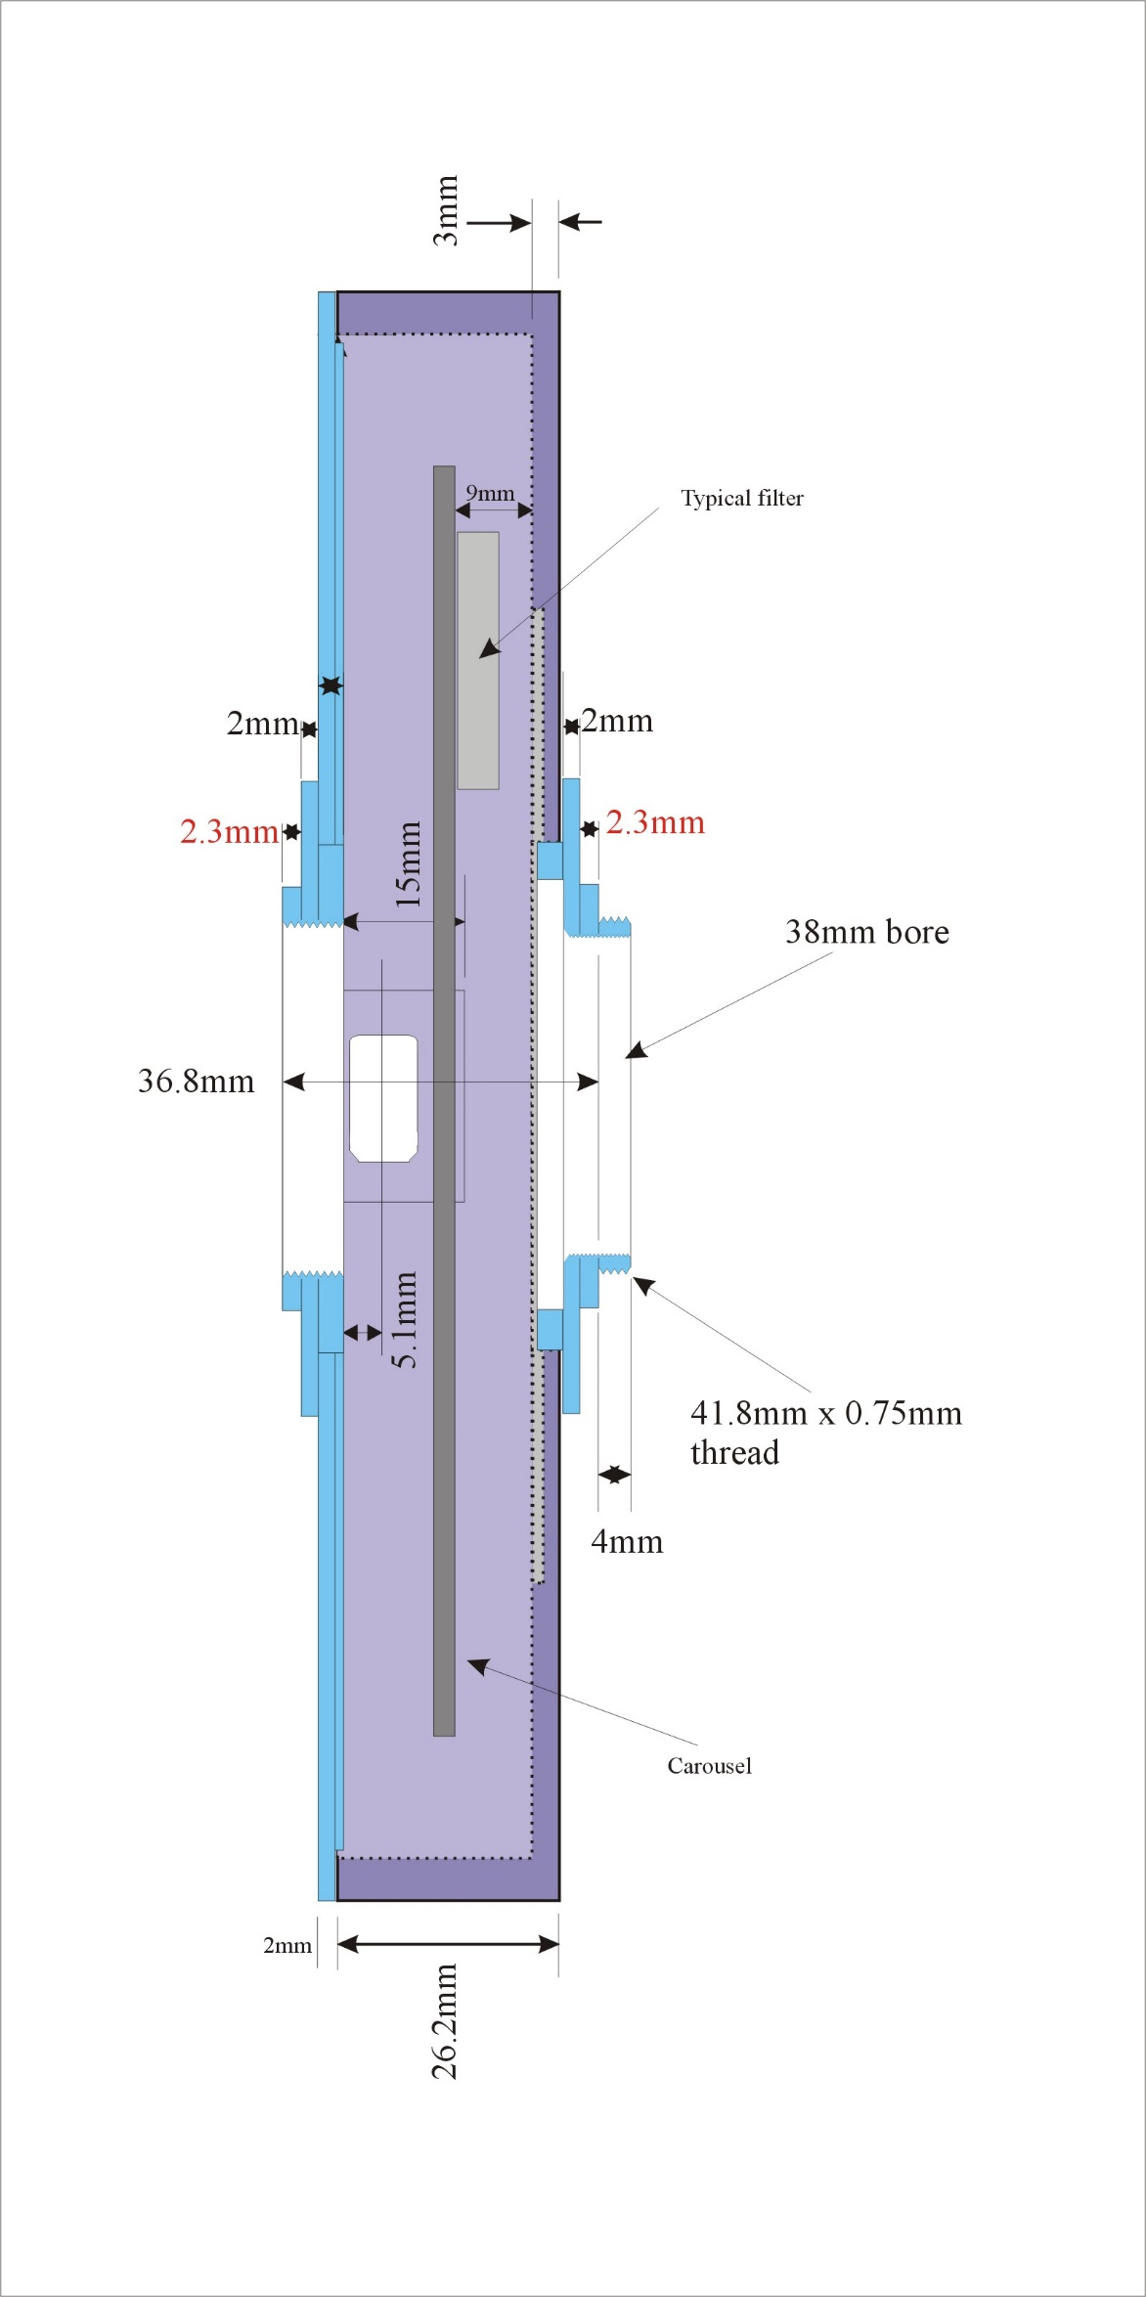
Optical length mm | Element
56.0 | back focus paracor
17.5 | ASI 2600 | With female M42X0.75 | ZWO
0.0 | mini spacer
4.3 | Starlight male 42mm x 0.75mm ‘T2’ thread adapter
-0.8 | filter | 2mm glass filter with 0.33 of the filter thickness to get the optical length
28.2 | Starlight midi | Filter wheel | Star light Express
4.3 | M54 or 48 female | M48 female from Starlight xpress
2.5 | M54 or 48 male to televue 2.4" | S-Optics Tele Vue Adapter 2.4" (65 mm) Parcorr Thread to M48 Filter Thread

56.0

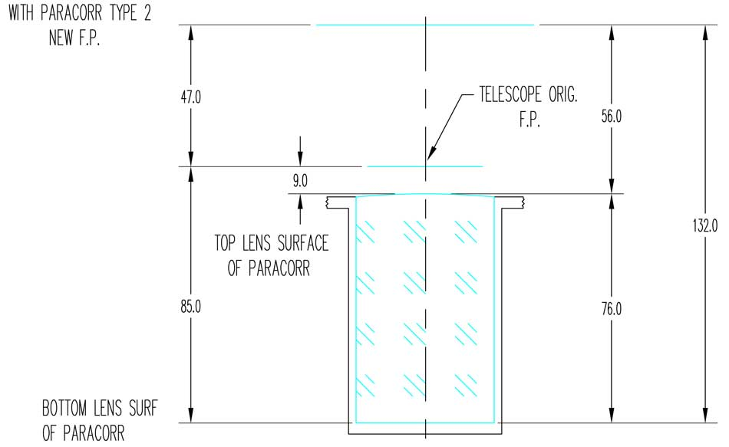

QHY268
 | Newtonian back focus calculation

Optical length mm | Element
56.0 | back focus paracor
12.5 | QHY 268 | QHY with 6 screws | QHY
5.0 | QHY to M48 | Female M48 to QHY camera
4.3 | Starlight male 48mm
-0.8 | filter | 2mm glass filter with 0.33 of the filter thickness to get the optical length
28.2 | Starlight midi | Filter wheel | Star light Express
4.3 | M54 or 48 female | M48 female from Starlight xpress
2.5 | M54 or 48 male to televue 2.4" | S-Optics Tele Vue Adapter 2.4" (65 mm) Parcorr Thread to M48 Filter Thread

56.0

